Sheet1


Product name | Marshmallow
product photo | 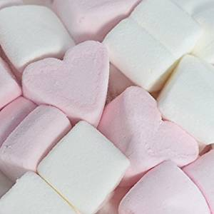
product Describtion | Marshmallows in their soft forms have a unique and delicate way of production that requires a carefully humidified area of resting for 48 hours after production to prevent the products from going solid. Its soft texture is its main selling point, which is widely used in coffee shops and bakeries in addition to end consumers in picnics or parties.
HS Code | 1704902013
Total Installed Capacity | 800
No.of shifts | 8 hours,one shift, 312 days
Unit of Measurment | Ton

Local Production
Company Name | Installed Capacity | 2021 | 2022 | 2023 | Price | Price Specificaton | Export % | Utilization
MOHAMMED YOUSEF DAGHISTANI FTY. FOR GELATIN SWEETS PRODUCTION | 800 | 142 | 149 | 344 | 3,650 | The prices of marshmallow are affected by several factors such as quality, flavors,and brand awareness . |  | 43%
Total | 800 | 142 | 149 | 344 |  |  |  | 43%
Exports |  | 16 | 33 | 110
Local sales |  | 126 | 116 | 234
Imports |  | 561 | 572 | 583
Local demand |  | 687 | 688 | 817
Local Demand Growth rate% |  |  | 0% | 19%
Market Future Expected Growth rate% |  | 2% during the next five year
General Comments
Comments ( Historical ) | Mohammed Daghistani implemented a price reduction strategy of over 50% to stimulate sales growth in 2023.
Comments (Future ) | Due to population growth and customer preferences for alternative confectionery options that are often more common in the Saudi market, such as chocolates and healthy snacks, the market is predicted to rise by 2%.
Main success factors | Product Quality, Marketing, and distribution.

